Hiearchy View
CLASS: POWER MONITOR
collect real-time data on power usage throughout a facility and make that data available to data center managers and decision makers in a usable format. |  | 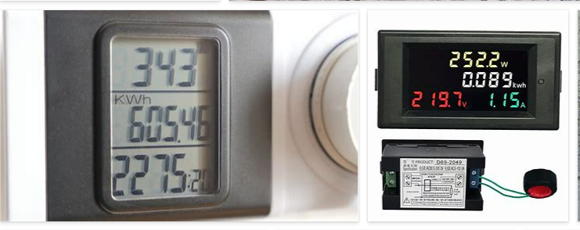
REMOVE | N

PROBLEM_DESC | CAUSE_DESC | REMEDY_DESC
ALARM/SENSOR
BROKEN/DAMAGED
NOISE
OTHER PROBLEM
OVERHEATING
POWER-ELEC
STOPPED/SLOWED/POOR OPS
TEMP-CTRL
VIBRATION
Grand Total

